Arkusz1
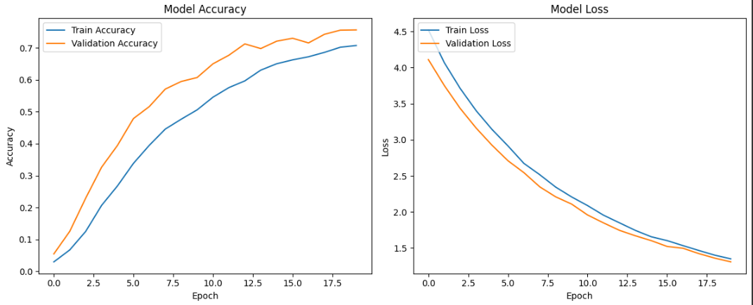
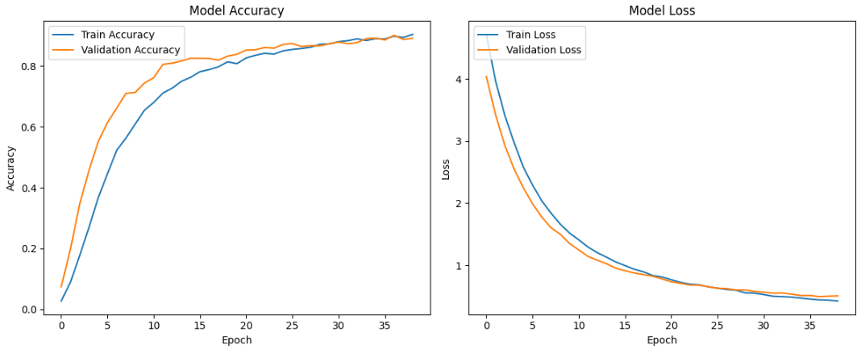
DATA SIZE | NO. CLASSES | TRAIN/TEST SAMPLES
6499 | 75 | 5199 / 1300

2 & 3. TRAINING SPEED OPTIMIZATION
MODEL | OPTIMIZATION | TOTAL TIME | N.O. OF EPOCHS | TRAIN NUM / VAL NUM | TRAINING ACCURACY | VALIDATION ACCURACY | NOTES
ResNet50 | CPU | 34 MINUTES | 10 | 500 / 100 | 0.1853 | 0.05 | used only 500 train imgs, 100 for validation; otherwise it would have taken too much time
ResNet50 | GPU | 6 MINUTES | 10 | 4159 / 1300 | 0.7136 | 0.30 | validation acc really low
ResNet50 | transfer learning | 1 MINUTE | 10 | 4159 / 1300 | 0.7907 | 0.6854 | best; using it further

4. ACCURACY OPTIMIZATION
MODEL | OPTIMIZATION | TOTAL TIME | N.O. OF EPOCHS | TRAIN NUM / VAL NUM | TRAINING ACCURACY | VALIDATION ACCURACY
ResNet50 | normalization | 1 MINUTE | 10 | 4159 / 1300 | 0.8427 | 0.7777
ResNet50 | augmentation | 12 MINUTES | 20 | 4159 / 1300 | 0.8699 | 0.8115 | started using early stopping due to increasing epochs
ResNet50 | dropout | 12 MINUTES | 20 | 4159 / 1300 | 0.7632 | 0.8123 | better validation accuracy but worse training accuracy because of dropout
ResNet50 | additional data | 15 MINUTES | 20 | 5199 / 1300 | 0.7951 | 0.8431 | it increased comparing to previous' results
ResNet50 | img size 96x96 | 8 MINUTES | 20 | 5199 / 1300 | 0.6561 | 0.7415 | worse because of img size
ResNet50 | img size 150x150 | 15 MINUTES | 20 | 5199 / 1300 | 0.7951 | 0.8431
ResNet50 | img size 160x160 | 16 MINUTES | 20 | 5199 / 1300 | 0.7833 | 0.8185
ResNet50 | img size 224x224 | 28 MINUTES | 20 | 5199 / 1300 | 0.8058 | 0.8623 | the best out of img sizes; will use it futher
ResNet50 | batch size 16 | 35 MINUTES | 20 | 5199 / 1300 | 0.8683 | 0.8792
ResNet50 | batch size 32 | 26 MINUTES | 20 | 5199 / 1300 | 0.8058 | 0.8623 | using this for less time, and its optimal and the standard
ResNet50 | batch size 64 | 30 MINUTES | 20 | 5199 / 1300 | 0.7494 | 0.8100
ResNet50 | net structure | 29 MINUTES | 20 | 5199 / 1300 | 0.8058 | 0.8623 | the best out of all net structures :)
ResNet101 | net structure | 30 MINUTES | 20 | 5199 / 1300 | 0.7354 | 0.8492
DenseNet121 | net structure | 31 MINUTES | 20 | 5199 / 1300 | 0.6524 | 0.7877
InceptionV3 | net structure | 19 MINUTES | 20 | 5199 / 1300 | 0.6528 | 0.6915
MobileNetV2 | net structure | 26 MINUTES | 20 | 5199 / 1300 | 0.6968 | 0.7562
FINAL MODEL | parameters
ResNet50 | batch size 32, img size 224x224, normalization, augumentation, dropout, additional data | 54 MINUTES | 39/50 early stopping | 5199 / 1300 | 0.9086 | 0.8908 | gave it more epochs for one final accuracy :]
PLOT TRAINING HISTORY
RESNET50 CPU |  |  |  | RESNET50 GPU |  |  | TRANSFER LEARNING
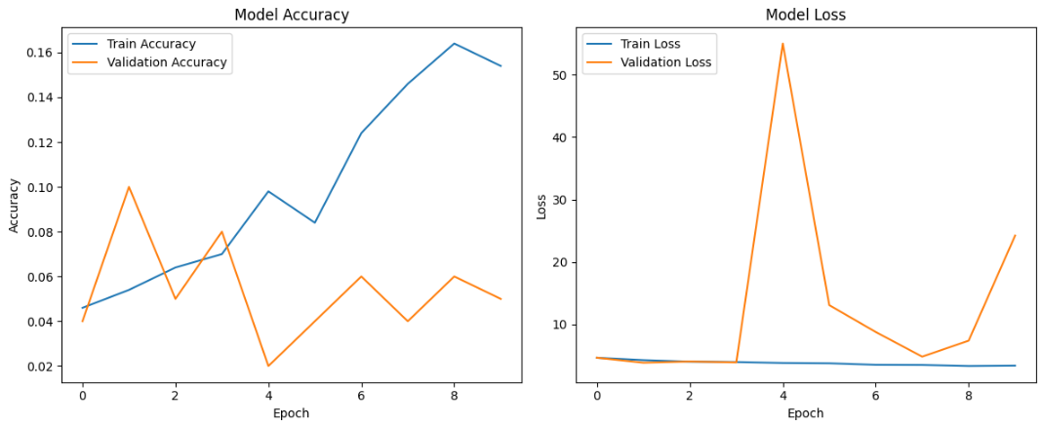
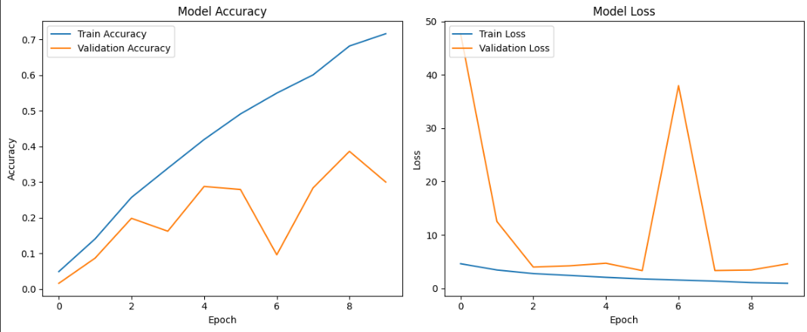
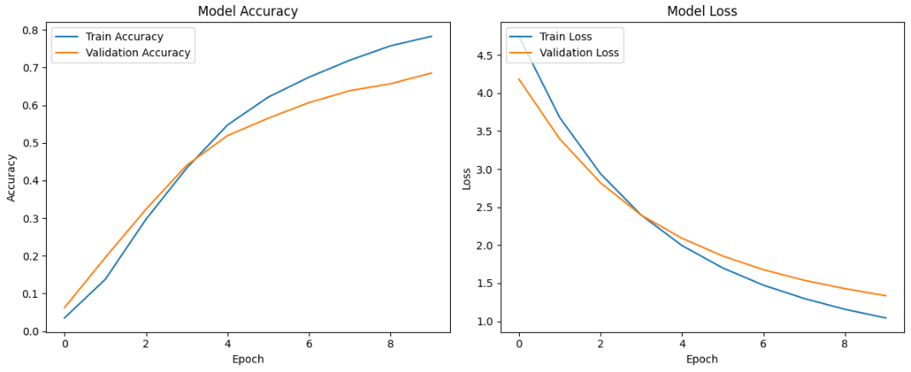

NORMALIZATION |  |  |  | AUGUMENTATION |  |  | DROPOUT
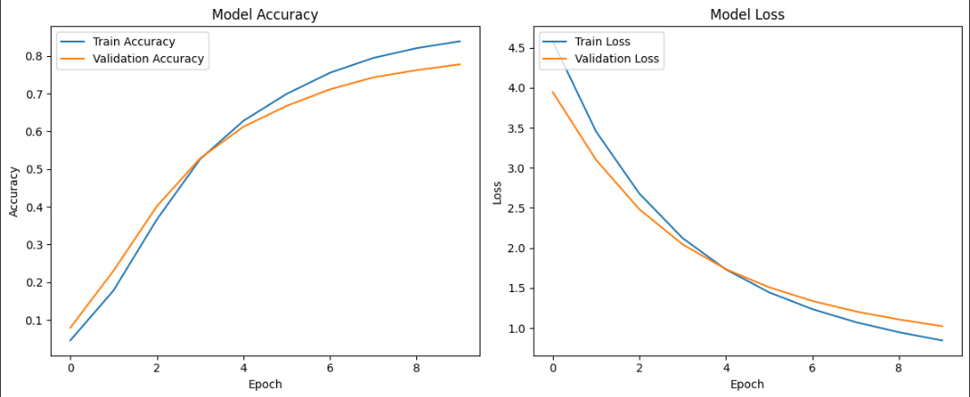
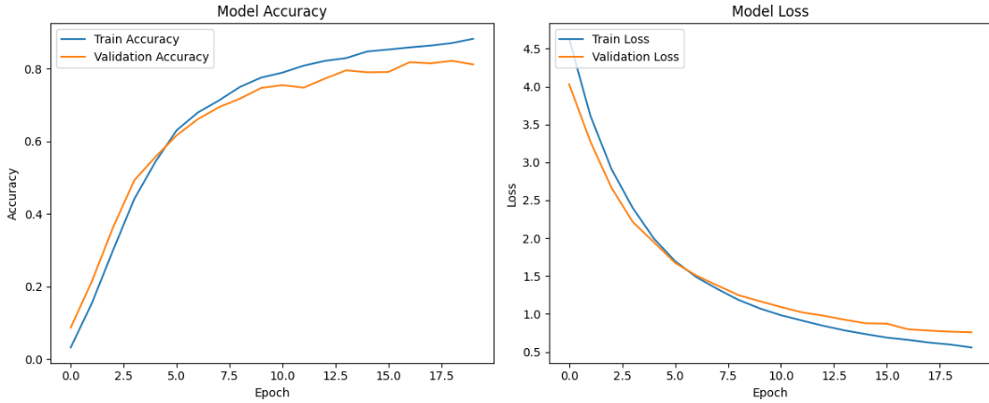
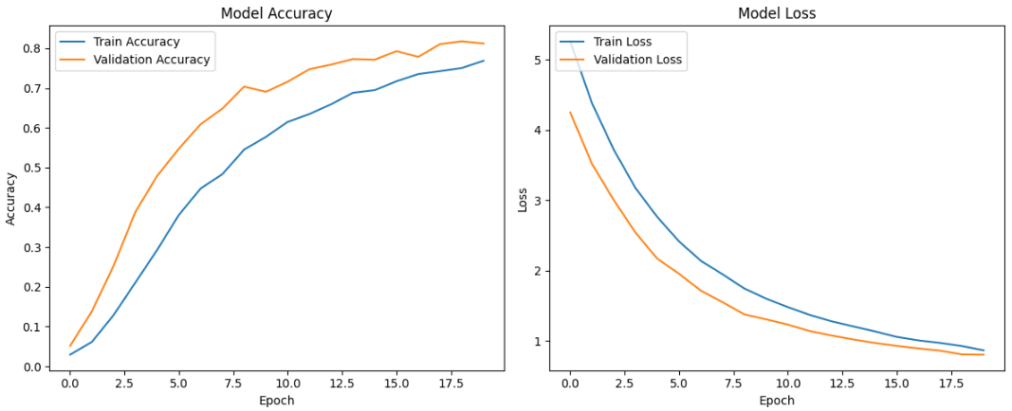

ADDITIONAL DATA |  |  |  | 96X96 |  |  | 160X160
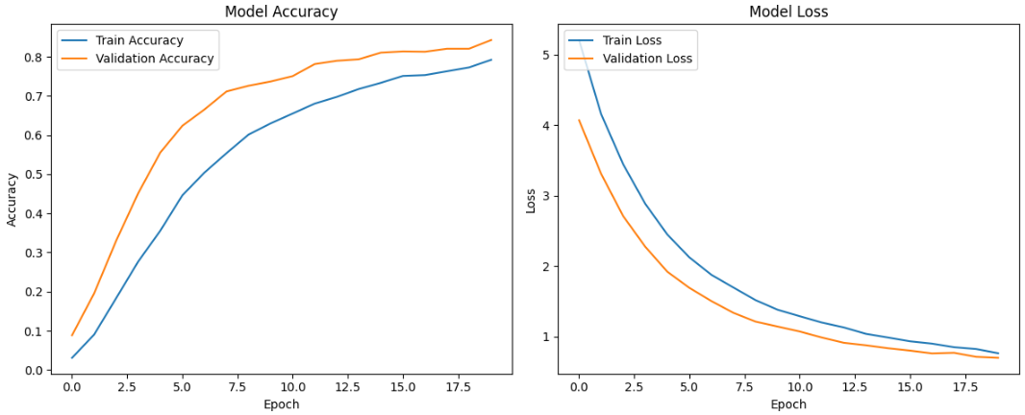
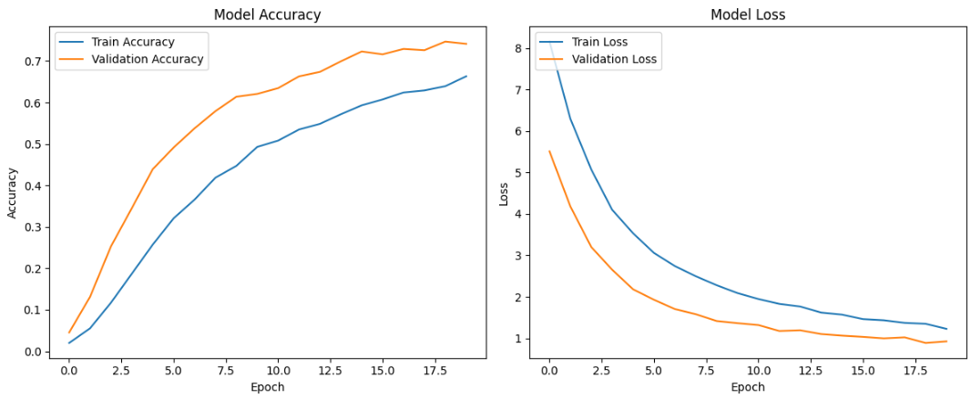
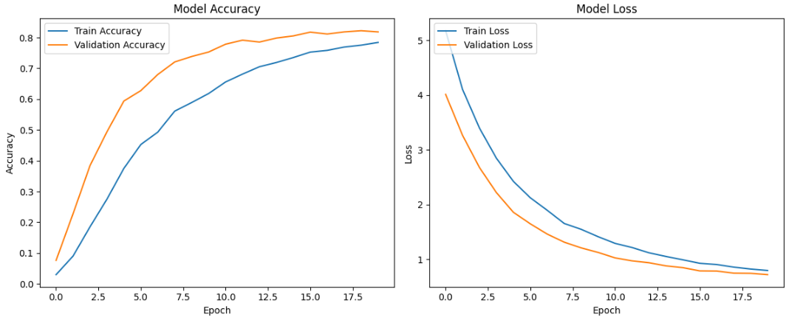

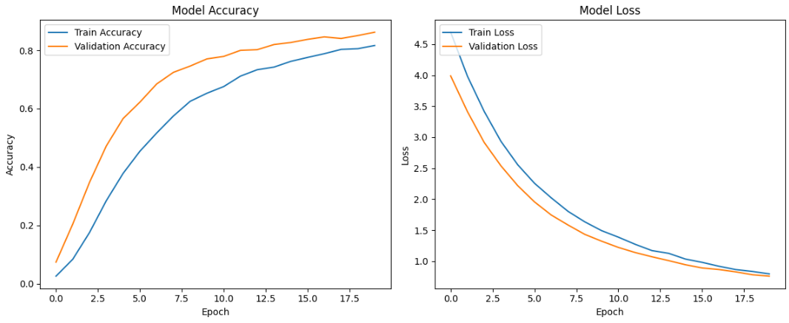
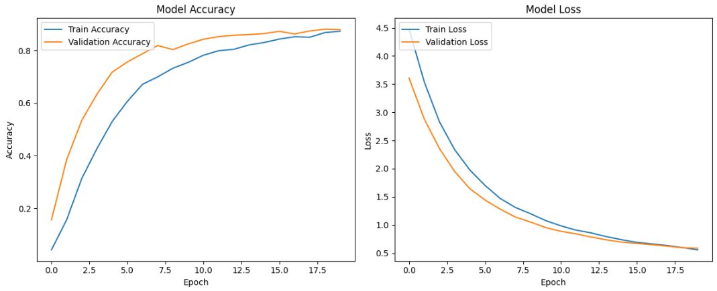
224X224 | batch size 32 |  |  | batch size 16
 |  |  |  |  |  |  | batch size 64
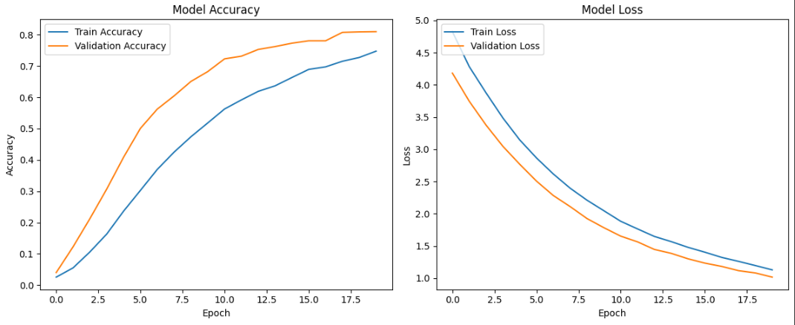

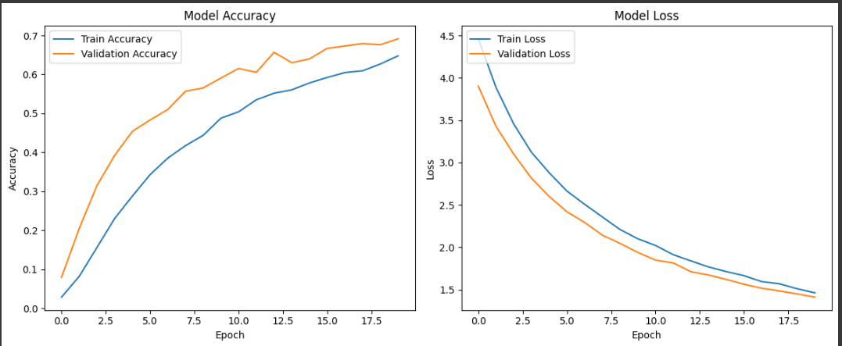
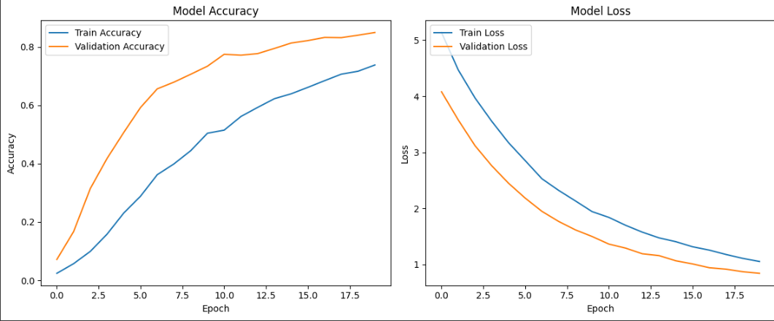
InceptionV3 |  |  |  | ResNet101
 |  |  |  |  |  |  | DenseNet121
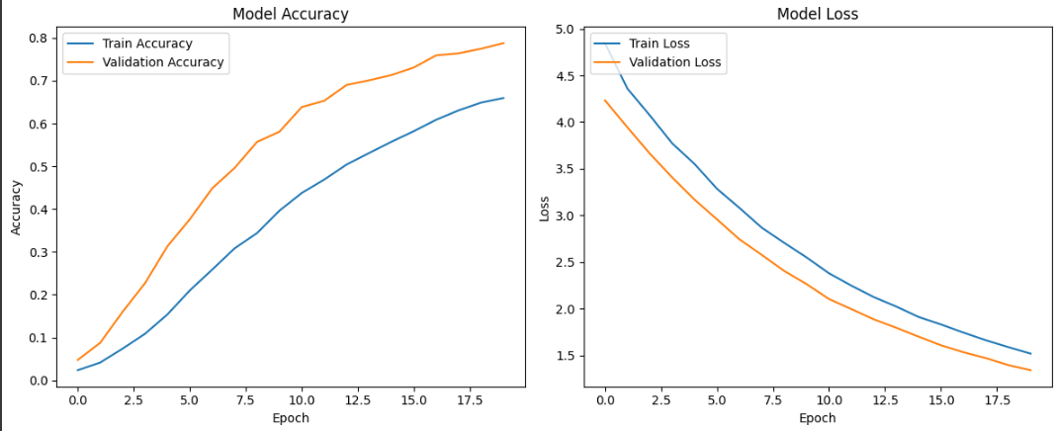

 |  |  |  |  | BEST

MobileNet |  |  |  |  | BEST

